graph
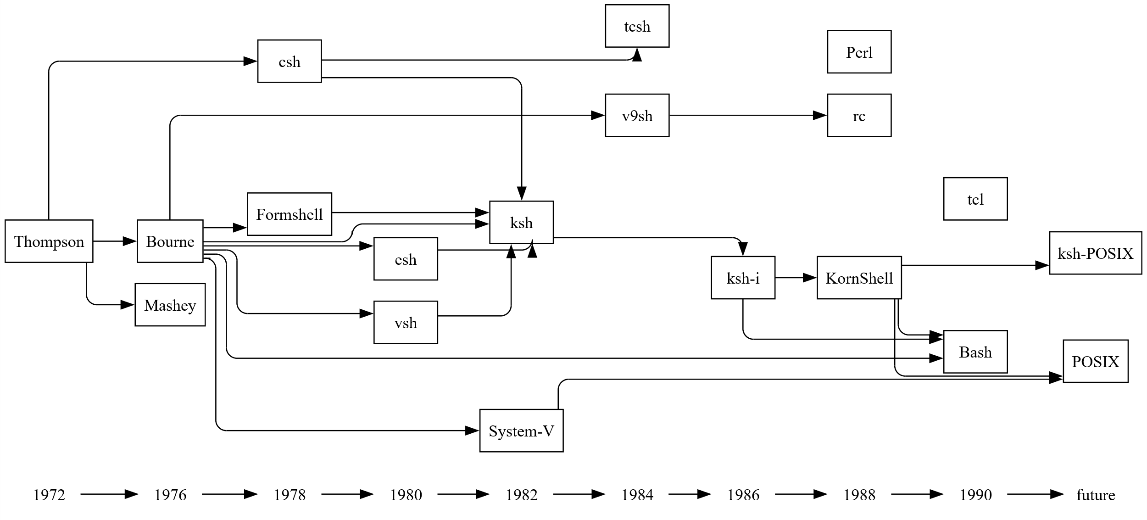

styles
Style Name | Format | Style Type | All Styles | No Clusters | No Edges
node |  | node | yes | yes | yes
edge |  | edge | yes | yes | no
subgraph-open |  | subgraph-open | yes | no | yes | 
subgraph-close |  | subgraph-close | yes | no | yes
keyword |  | keyword | yes | yes | yes
native |  | native | yes | yes | yes
Year | shape=plaintext | node | yes | yes | yes
Shell | shape=box | node | yes | yes | yes
Flow | radius=9 | edge | yes | yes | no

sql
 | SQL SELECT Statement | Data File | Status

# | Specify the workbook containing the data |  | SKIPPED
 | SET DATA FILE | shells.xlsx | SUCCESS

# | Establish the default styles for nodes and edges |  | SKIPPED
 | SELECT 'node' as [Item], 'Year' as [Style Name] |  | SUCCESS
 | SELECT 'edge' as [Item], 'Flow' as [Style Name] |  | SUCCESS

# | Create the edges from year to year |  | SKIPPED
 | SELECT DISTINCT [Year] AS [ITEM], TRUE AS [CREATE EDGES] FROM [Shells$] WHERE [Year] IS NOT NULL ORDER BY [Year] ASC |  | SUCCESS

# | Put all the shells on the same rank by year |  | SKIPPED
 | SELECT 'node' as [Item], 'Shell' as [Style Name] |  | SUCCESS
 | SELECT 'SELECT DISTINCT [Year] AS [ID] FROM [shells$]' AS [SQL FOR ID], 'SELECT [Year] AS [ITEM], TRUE AS [CREATE RANK], ''same'' AS [RANK] FROM [shells$] WHERE [YEAR] = ''{ID}'' UNION SELECT [Shell] AS [ITEM], TRUE AS [CREATE RANK], ''same'' AS [RANK] FROM [shells$] WHERE [YEAR] = ''{ID}'' ' AS [SQL FOR DATA], TRUE AS [ITERATE] |  | SUCCESS

# | Shell to Shell edges |  | SKIPPED
 | SELECT [From Shell] AS [ITEM], [To Shell] AS [RELATED ITEM] FROM [evolution$] |  | SUCCESS

# | Render the graph |  | SKIPPED
 | PREVIEW |  | SUCCESS
 | PUBLISH |  | SUCCESS

✎

